COMPANY DETAIL AND PRODUCT PAGE
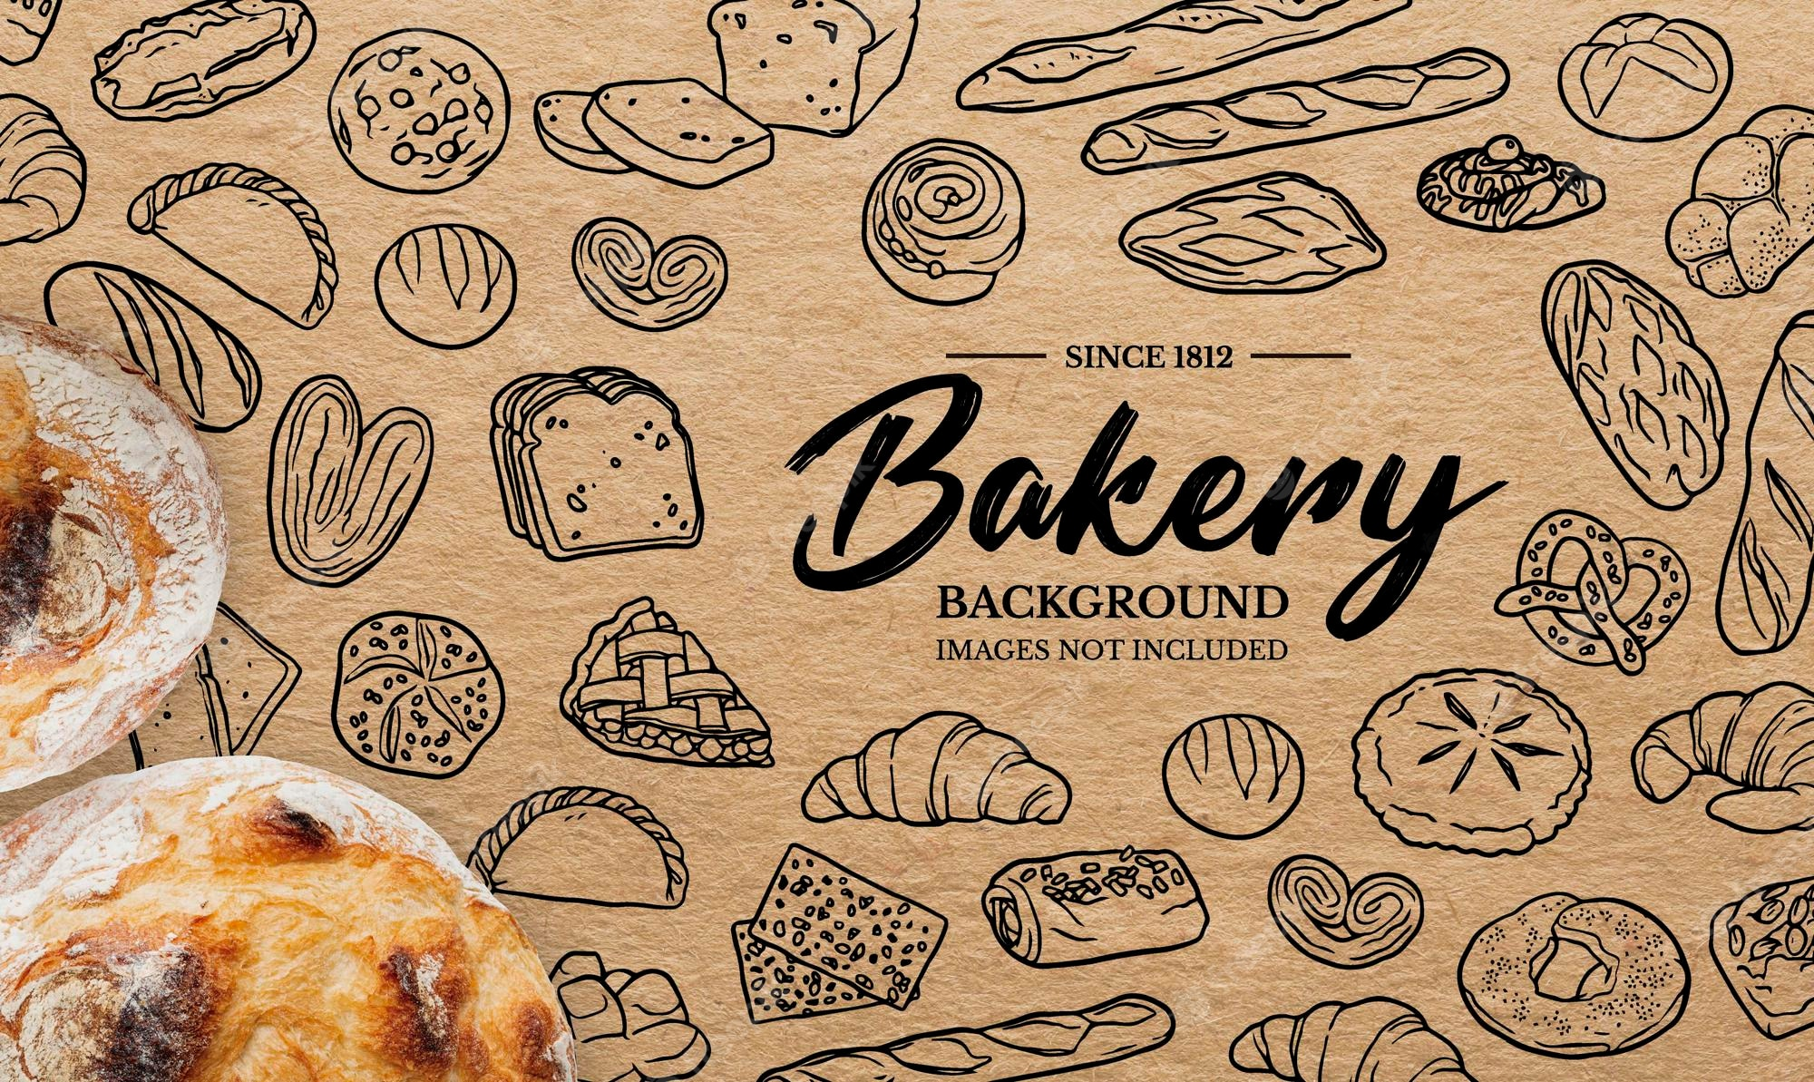
A sales analysis report gives an overview of the state of the sales activities within a company. It shows the different trends happening in the sales volume over a certain time, but also analyses the different steps of the sales funnel and the performance of sales executives.
This table will explain you in details about the overall performance of our business.
Enjoy!
BAKERY SINCE 1812

3C. EDA
LIST OF CHARTS

NO. | TITLE | CHARTS | PIVOT TABLE

1 | Pattern of transaction records by quarter
 |  |  |  | Row Labels | Count of Sales No.
 |  |  |  | 1 | 704
 |  |  |  | 2 | 693
 |  |  |  | 3 | 725
 |  |  |  | 4 | 878
 |  |  |  | Grand Total | 3000

2 | No of transactions made by Sales Agent
 |  |  |  | Row Labels | Count of Sales No.
 |  |  |  | BURHAN | 21
 |  |  |  | CHANDLER | 29
 |  |  |  | CSUSAN | 23
 |  |  |  | MALEK | 27
 |  |  |  | R001 | 7
 |  |  |  | R001MALEK | 479
 |  |  |  | R002 | 22
 |  |  |  | R002CHANDLER | 2
 |  |  |  | R002SUSAN | 1
 |  |  |  | R002YASMIN | 523
 |  |  |  | R003 | 18
 |  |  |  | R003BURHAN | 534
 |  |  |  | R003MALEK | 1
 |  |  |  | R003SUSAN | 1
 |  |  |  | R003YASMIN | 2
 |  |  |  | R004 | 14
 |  |  |  | R004CHANDLER | 734
 |  |  |  | R004MALEK | 1
 |  |  |  | R005 | 28
 |  |  |  | R005CHANDLER | 27
 |  |  |  | R005MALEK | 1
 |  |  |  | R005SUSAN | 471
 |  |  |  | SUSAN | 13
 |  |  |  | YASMIN | 21
 |  |  |  | Grand Total | 3000

3 | Quantity product sold Product=Item
 |  |  |  | Row Labels | Sum of Quantity
 |  |  |  | Berries | 5
 |  |  |  | Berries** | 552
 |  |  |  | Blue Lemooon | 886
 |  |  |  | Butter | 998
 |  |  |  | Butter Lemon | 7
 |  |  |  | Ordinary | 1194
 |  |  |  | Plain Butter | 10
 |  |  |  | Rose Petals | 6
 |  |  |  | Rose Petalssss | 942
 |  |  |  | sugarsweet | 10
 |  |  |  | sugarsweet56 | 643
 |  |  |  | (blank) | 10
 |  |  |  | Grand Total | 5263

4 | Quantity of products sold by brand
 |  |  |  | Row Labels | Sum of Quantity
 |  |  |  | Apricot Danish | 993
 |  |  |  | Apricot Danishl | 12
 |  |  |  | Baklava | 541
 |  |  |  | Baklavaei | 12
 |  |  |  | Chinese custard tarts | 875
 |  |  |  | Chinese custard tarts% | 14
 |  |  |  | Croissant | 947
 |  |  |  | Lemon meringue tarts | 1187
 |  |  |  | Lemon meringue tarts# | 6
 |  |  |  | Puff Pastry | 12
 |  |  |  | Puff Pastryome | 638
 |  |  |  | (blank) | 26
 |  |  |  | Grand Total | 5263

5 | Member and non-member buying patterns
 |  |  |  | Membership Status | (All)

 |  |  |  | Row Labels | Sum of Quantity
 |  |  |  | Apricot Danish | 993
 |  |  |  | Apricot Danishl | 12
 |  |  |  | Baklava | 541
 |  |  |  | Baklavaei | 12
 |  |  |  | Chinese custard tarts | 875
 |  |  |  | Chinese custard tarts% | 14
 |  |  |  | Croissant | 947
 |  |  |  | Lemon meringue tarts | 1187
 |  |  |  | Lemon meringue tarts# | 6
 |  |  |  | Puff Pastry | 12
 |  |  |  | Puff Pastryome | 638
 |  |  |  | (blank) | 26
 |  |  |  | Grand Total | 5263

INTERACTIVE DASHBOARD
INTERACTIVE DASHBOARD

CONCLUSION:

